Project Closure Schedule
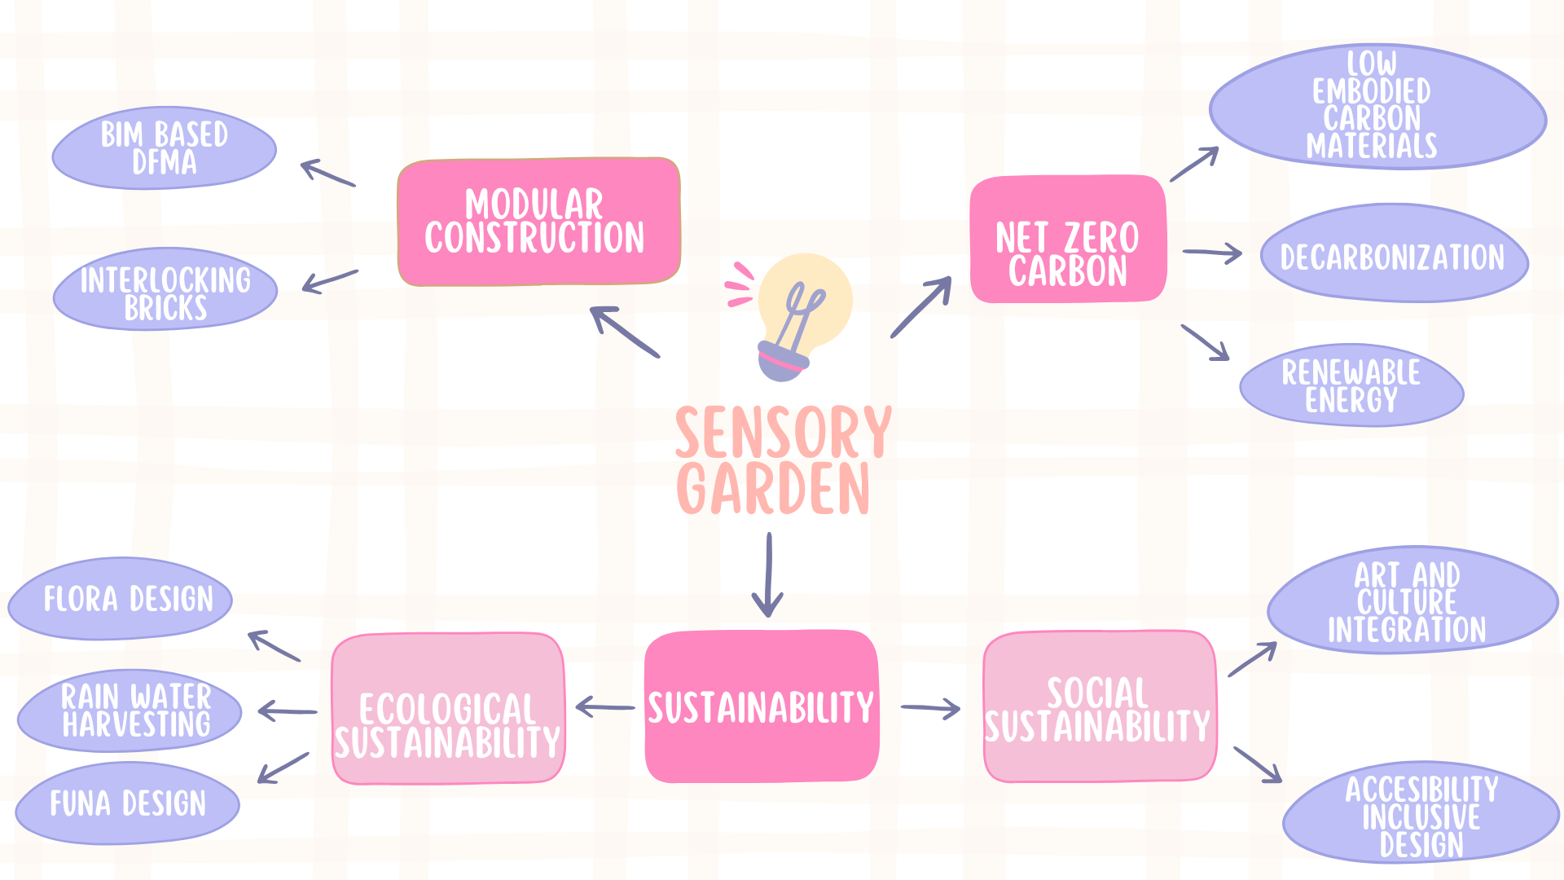
 | West End Community Sensory Garden
 | Build Planet Zero #2
 |  |  | KEYS
 |  |  |  | Completed
 |  |  |  | Not completed
 |  |  |  | Overdue tasks
 |  |  |  | Delayed Completion |  |  |  |  |  | Week 14 |  |  |  |  |  |  | Week 15
 |  |  |  |  |  |  | 2025-03-24 | 2025-03-25 | 2025-03-26 | 2025-03-27 | 2025-03-28 | 2025-03-29 | 2025-03-30 | 2025-03-31 | 2025-04-01 | 2025-04-02 | 2025-04-03 | 2025-04-04 | 2025-04-05 | 2025-04-06 | 2025-04-07 | 2025-04-08 | 2025-04-09 | 2025-04-10 | 2025-04-11 | 2025-04-12 | 2025-04-13 | 2025-04-14 | 2025-04-15 | 2025-04-16 | 2025-04-17 | 2025-04-18 | 2025-04-19 | 2025-04-20 | 2025-04-21 | 2025-04-22 | 2025-04-23 | 2025-04-24 | 2025-04-25 | 2025-04-26 | 2025-04-27 | 2025-04-28 | 2025-04-29 | 2025-04-30 | 2025-05-01 | 2025-05-02 | 2025-05-03 | 2025-05-04 | 2025-05-05 | 2025-05-06 | 2025-05-07 | 2025-05-08 | 2025-05-09
Task ID | Task/Activity | Start Date | End Date | Key Player | Days | Progress
3 | Project Closure | 2025-03-26 | 2025-04-27 |  | 33 | 21% |  |  | 1 | 1 | 1 | 1 | 1 | 1 | 1
3.1 | Prepare for project Closure | 2025-03-26 | 2025-04-23 |  | 29 | 24% |  |  | 1 | 1 | 1 | 1 | 1 | 1 | 1
3.1.2 | Create Project Closure plan | 2025-03-26 | 2025-03-27 | Kufre | 2 | 100% |  |  | 1 | 1
3.1.3 | Mindmap client brief to deliverables | 2025-03-27 | 2025-03-28 | Kufre | 2 | 100% |  |  | 1 | 1
3.1.1 | Structure Final project report including heading and subheading and share with team for feedback | 2025-03-27 | 2025-04-04 | Shebi | 9 | 100% |  |  |  | 1 | 1 | 1 | 1 | 1 | 1 | 1 | 1 | 1
3.1.4 | Develop the report concurrently through the design phase | 2025-04-07 | 2025-04-23 | Shebi | 17 | 65% |  |  | 1 | 1 | 1 | 1 | 1 | 1 | 1 | 1 | 1 | 1 | 1
3.2 | BIM design phase 1 | 2025-03-26 | 2025-04-01 | Jayaprekesh | 7 | 100% |  |  | 1 | 1 | 1 | 1 | 1 | 1 | 1
3.2.1 | Create spatial design of the layout | 2025-03-26 | 2025-03-28 | Jayaprekesh | 3 | 100% |  |  | 1 | 1 | 1
3.2.2 | Situate all structures within layout | 2025-03-26 | 2025-03-28 | Jayaprekesh | 3 | 100% |  |  | 1 | 1 | 1
3.2.3 | Integrate rainwater harvesting and sustainable water management solutions into the design. | 2025-03-26 | 2025-03-28 | Jayaprekesh | 3 | 100% |  |  | 1 | 1 | 1
3.2.4 | Create 2D and 3D sketch of final design option | 2025-03-28 | 2025-04-01 | Jayaprekesh | 5 | 100% |  |  |  |  | 1 | 1 | 1 | 1 | 1
3.2.5 | Share with project team for feedback | 2025-04-01 | 2025-04-01 | Jayaprekesh | 1 | 100% |  |  |  |  |  |  |  |  | 1
4 | BIM Design phase 2 | 2025-04-01 | 2025-04-04 |  | 4 | 100% |  |  |  |  |  |  |  |  | 1 | 1 |  |  |  |  |  |  |  |  |  |  |  | 1 | 1
4.1 | Preliminary Design | 2025-04-01 | 2025-04-04 |  | 4 | 100% |  |  |  |  |  |  |  |  | 1 | 1 |  |  |  |  |  |  |  |  |  |  |  | 1 | 1
4.1.1 | Develop reviewed sketch to LOD 200 for conceptualization of renewable energy integration and modularizattion | 2025-04-01 | 2025-04-02 | Jayaprekesh | 2 | 100% |  |  |  |  |  |  |  |  | 1 | 1
4.1.2 | Research on BIM based DfMA of design | 2025-04-01 | 2025-04-02 | Kufre | 2 | 100% |  |  |  |  |  |  |  |  | 1 | 1
4.1.3 | Research and report on suitable renewable energy for integration | 2025-04-01 | 2025-04-02 | Shebi | 2 | 100% |  |  |  |  |  |  |  |  | 1 | 1
4.1.4 | Identify optimal locations within the design for solar panels and other renewable systems. | 2025-04-02 | 2025-04-02 | Jayaprekesh | 1 | 100% |  |  |  |  |  |  |  |  |  | 1
4.1.7 | Simulate the impact of passive strategies on overall energy consumption. | 2025-04-03 | 2025-04-04 | Jayaprekesh | 2 | 0%
4.1.8 | Develop integrated report of DfMA and renewable energy integration into Preliminary Design | 2025-04-03 | 2025-04-04 | Kufre | 2 | 0%
4.1.9 | Share with project team for feedback | 2025-03-04 | 2025-04-04 | Kufre | 32 | 0%
4.2 | BIM design phase 3 | 2025-04-07 | 2025-04-18 |  | 12 | 92% |  |  |  |  |  |  |  |  |  |  |  |  |  |  | 1 | 1 | 1 | 1 | 1 | 1 | 1 | 1 | 1 | 1 | 1
4.2.1 | Develop detailed 3D design of structure at LOD 300 incoperating renewable energy and DfMA solutions | 2025-04-07 | 2025-04-11 | Jayaprekesh | 5 | 100% |  |  |  |  |  |  |  |  |  |  |  |  |  |  | 1 | 1 | 1 | 1 | 1
4.2.2 | Third Industrial Supervision | 2025-04-08 | 2025-04-11 | Team | 4 |  |  |  |  |  |  |  |  |  |  |  |  |  |  |  |  | 1
4.2.3 | Extract detailed material schedule for verification of embodied carbon goals and estimation | 2025-04-14 | 2025-04-15 | Jayaprekesh | 2 | 0%
4.2.4 | Prepare material selecction report for final report | 2025-04-16 | 2025-04-17 | Collins | 2 | 0%
4.2.5 | Reseach potential suppliers and their loaction for embodied carbon goals | 2025-04-16 | 2025-04-17 | Collins | 2 | 0%
4.2.6 | Prepare report on potential supplier stakeholders for final report | 2025-04-16 | 2025-04-17 | Collins | 2 | 0%
4.2.7 | Create 3D rendered model in Lumion/Twinmotion. | 2025-04-17 | 2025-04-18 | Jayaprekesh | 2
4.3 | Ensure Certification and Compliance | 2025-04-18 | 2025-04-21 |  | 4 | 0%
4.3.1 | Mind Map design elements to the requirements of Passivhaus certification | 2025-04-18 | 2025-04-21 | Jayaprekesh | 4 | 0%
4.3.2 | Mind Map design elements to the requirements of client brief | 2025-04-18 | 2025-04-21 | Collins | 4 | 0%
4.3.3 | Identify any gaps or areas for improvement. | 2025-04-18 | 2025-04-21 | Collins | 4 | 0%
4.3.4 | Prepare a Passivhause compliance report as a section for Project Report | 2025-04-18 | 2025-04-21 | Jayaprekesh | 4 | 0%
4.3.5 | Create a draft closeout presentation | 2025-04-18 | 2025-04-21 | Team | 4
5 | Document preperation and submission | 2025-04-22 | 2025-04-24 |  | 3 | 0%
5.1 | Construction Risk Assesment and Mitigation | 2025-04-22 | 2025-04-23 |  | 2 | 0%
5.1.1 | Identify risks associated with delivery of design | 2025-04-22 | 2025-04-23 | Kufre | 2 | 0%
5.1.2 | Develop mitigation strategies and document contingency plans. | 2025-04-22 | 2025-04-23 | Kufre | 2 | 0%
5.1.3 | Update tproject report to include Risk and Mitigation | 2025-04-22 | 2025-04-23 | Shebi | 2 | 0%
5.1.5 | Coming in to land support | 2025-04-22 | 2025-04-24 | Team | 3
5.1.4 | VR walkthrough and high-quality rendered images of final model | 2025-04-23 | 2025-04-23 | Jayaprekesh | 1
5.2 | Final Project Presentation | 2025-04-23 | 2025-04-26 |  | 4 | 0%
5.2.1 | Collect and integrated project infographics required | 2025-04-23 | 2025-04-24 | Shebi | 2 | 0%
5.2.2 | Share with project team for feedback | 2025-04-25 | 2025-04-25 | Shebi | 1 | 0%
5.2.3 | Final professional training session | 2025-04-25 | 2025-04-25 | Team | 1
5.2.4 | Update and submit based on feedback | 2025-04-26 | 2025-04-26 | Shebi | 1 | 0%
5.3 | Project Report | 2025-04-22 | 2025-04-26 |  | 5 | 0%
5.3.1 | Complete project report | 2025-04-23 | 2025-04-24 | Kufre | 2 | 0%
5.3.2 | Share with project team for feedback | 2025-04-25 | 2025-04-25 | Kufre | 1 | 0%
5.3.3 | Update report based on feedback | 2025-04-26 | 2025-04-26 | Kufre | 1 | 0%
5.3.4 | Client Close-Out meetings | 2025-04-28 | 2025-04-28 | Team | 1 | 0%
5.3.5 | End of Project Celebration | 2025-05-09 | 2025-05-09 | Team | 1 | 0%

